Patokan - Master File Coverage
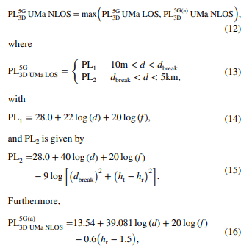
TOTAL SITE CALCULATION (Uplink) |  | 3. PL (3GPP 38.901, UMa) (0.5 - 100 GHz) |  | 1. LINK BUDGET (UL) > 3500 MHz
Parameter | Value | PL2 Option (LOS) > (UL) | 94.47515912 | Transmitter | Value | Calculation
Luas Area (Km^2) | 107.8 | PL2 Option (LOS) > (DL) | 94.05705305 | UE TX Power (dBm) | 49 | A
Coverage per Site (3-SECTORAL) (km^2) | 16.87310935 | Path Loss (NLOS) > (UL) | 94.47515912 | UE Gain (dBi) | 5 | B
Total SITE (3-SECTORAL) | 7 | Path Loss (NLOS) > (DL) | 91.47515912 | Body Loss (dB) | 5 | C
REUSE DISTANCE (CLUSTERING 3 SEL) (km) | 5.472866262 | D Break (m) > For 2,6 GHz | 100 | EIRP (dBm) | 16.90484985 | D = A+B-C-Total SC
TOTAL SITE CALCULATION (Dowlink) |  | Path Loss (LOS) > Max Value between UL/DL | 94.47515912 | Total SC (100 MHz BW) | 1620 | Total RB x SC per RB
Parameter | Value | Path Loss (NLOS) > Max Value between UL/DL | 94.47515912 | Receiver | Value | Calculation | Thermal Noise
Luas Area (Km^2) | 107.8 | Max(LOS, NLOS) | 94.47515912 | gNB Noise Figure (dB) | 7 | E | k | 0
Coverage per Site (3-SECTORAL) (Km^2) | 11.84862164 |  |  | Thermal Noise (dBm) | -99.57030927 | F = k*T*BW | T | 80
Total SITE (3-SECTORAL) | 10 | 4. LINE OF SIGHT (PL2) |  | SINR Demod TH (dB) | 5 | G | BW | 100000000
REUSE DISTANCE (CLUSTERING 3 SEL) (Km) | 4.586181001 | MAPL (Uplink) | 94.47515912 | Receiver Sensitivity (dBm) | -87.57030927 | H = E+F+G | F (Watt) | 0
3GPP 38.901 Urban Macro (0.5 - 100 GHz) |  | LOS Cell Radius (Km) > dBREAK = 100 m, jadi PL2 | 6.238750203 | Interference Margin (dB) | 2 | I | F (dBW) | -129.5703093
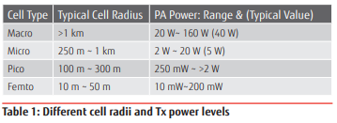
 |  | MAPL (Downlink) | 91.47515912 | Slow Fading Margin (dB) | 6 | J | F (dBm) | -99.57030927
 |  | LOS Cell Radius (Km) > dBREAK = 100 m, jadi PL2 | 6.090387777 | Penetration Loss (dB) | 20 | K
 |  |  |  | Feeder Loss (dB) | 0 | L (Diabaikan)
 |  | 5. NON-LINE OF SIGHT |  | gNB Gain (dBi) | 18 | M
 |  | MAPL (Uplink) | 94.47515912 | MAPL (UL) | 94.47515912 | O = D-H-I-J-K+M
 |  | NLOS Cell Radius (Km) | 1.824288754
 |  | MAPL (Downlink) | 91.47515912 | 2. LINK BUDGET (DL) > 3500 MHz
 |  | NLOS Cell Radius (Km) | 1.528727 | Transmitter | Value | Calculation
 |  |  |  | gNB TX Power (dBm) | 49 | A
 |  |  |  | gNB Gain (dBi) | 18 | B
 |  |  |  | Feeder Loss (dB) | 1 | C
 |  |  |  | EIRP (dBm) | 33.90484985 | D = A+B+C-Total SC
 |  |  |  | Total SC (100 MHz BW) | 1620 | Total RB x SC per RB
 |  |  |  | Receiver | Value | Calculation
 |  |  |  | UE Noise Figure (dB) | 7 | E
 |  |  |  | Thermal Noise (dBm) | -99.57030927 | F = k*T*BW
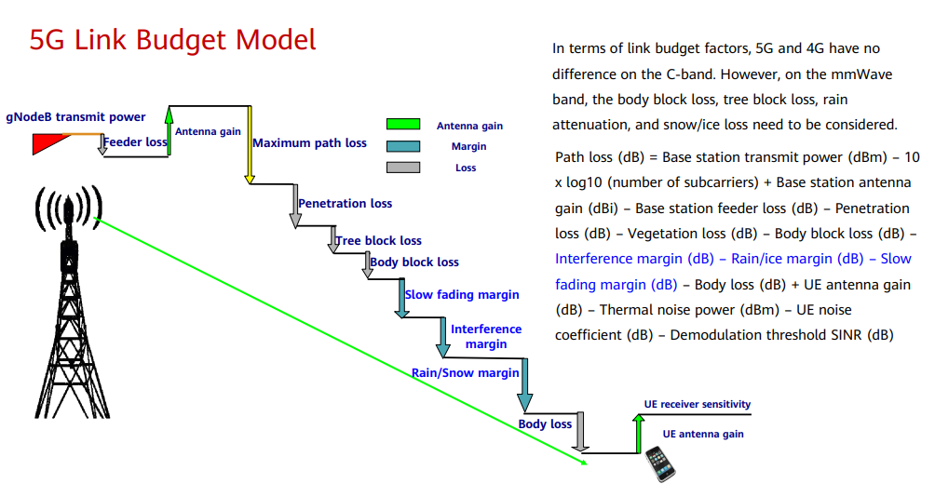
 |  |  |  | SINR Demod TH (dB) | 5 | G
 |  |  |  | Receiver Sensitivity (dBm) | -87.57030927 | H = E+F+G
 |  |  |  | Interference Margin (dB) | 10 | I
 |  |  |  | Slow Fading Margin (dB) | 8 | J
 |  |  |  | Penetration Loss (dB) | 20 | K
 |  |  |  | Body Loss (dB) | 5 | L
 |  |  |  | UE Gain (dBi) | 5 | M
 |  |  |  | Beamforming Gain (dB) | 8 | P
 |  |  |  | Vegetation Loss (dB) | 0 | Q (N/A in MidBand)
 |  |  |  | Rain Loss (dB) | 0 | R (N/A in MidBand)
 |  |  |  | MAPL (DL) | 91.47515912 | O = D-H-I-J-K-L+M+P-Q-R

Patokan - Master File Capacity
1. Forecasting Number of Users (Kota Pontianak) |  |  | 2. SERVICE MODEL (HCIP, 2022)
Jumlah Penduduk (2022) | 673400 |  | Traffic Parameters | UPLINK |  |  | DOWNLINK |  |  | UL | DL
Pertumbuhan Penduduk | 0.05% |  |  | Activation Rate | Session | Session | Activation Rate | Session | Session | Single Session | Single Session
Periode Perancangan | 5 Tahun |  |  | (Kbps) | Duration (s) | Activation Ratio | (Kbps) | Duration (s) | Activation Ratio | TP/Session (Kbps) | TP/Session (Kbps)
Estimasi Penduduk (2027) | 675086 |  | Web Browsing | 62.53 | 1800 | 0.05 | 250.11 | 1800 | 0.05 | 5627.7 | 22509.9
Estimasi Penduduk Usia Produktif (Persentase) | 0.7 |  | File Transfer | 140.69 | 600 | 1 | 750.34 | 600 | 1 | 84414 | 450204
Estimasi Penduduk Usia Produktif (Jumlah) | 472560.2 |  | Email | 140.69 | 50 | 1 | 750.34 | 15 | 1 | 7034.5 | 11255.1
Persentase Market Share | 0.48 |  | P2P File Sharing | 250.11 | 1200 | 1 | 750.34 | 1200 | 1 | 300132 | 900408
Market Share | 226829 |  | VoIP | 26.9 | 80 | 0.4 | 26.9 | 80 | 0.4 | 860.8 | 860.8
Persentase 5G NR Subscriber | 0.52 |  | Video Phone | 62.53 | 70 | 1 | 62.53 | 70 | 1 | 4377.1 | 4377.1
5G NR Subscriber (Target User) | 117952 |  | Video Conference | 62.53 | 1800 | 1 | 62.53 | 1800 | 1 | 112554 | 112554
 |  |  | Streaming Media | 31.26 | 3600 | 0.05 | 250.11 | 3600 | 0.95 | 5626.8 | 855376.2
7. TOTAL SITE CALCULATION |  |  | Real Time Gaming | 31.26 | 1800 | 0.2 | 125.06 | 1800 | 0.4 | 11253.6 | 90043.2
Item | UL | DL | Total TP/Session |  |  |  |  |  |  | 531880.5 | 2447588.3
Luas Wilayah (km^2) | 107.8
Target User | 117952 |  | 3. TRAFFIC MODEL (HCIP, 2021)
Network TP (MAC) (Mbps) | 41546.84011 | 191188.7346 | UE Behavior | Dense Urban |  | Urban |  | Sub Urban |  | Rural
Cell Avg TP (Mbps) | 1387.192296 | 2944.511976 |  | Service | BHSA | Service | BHSA | Service | BHSA | Service | BHSA
Site Capacity (Mbps) | 4161.576888 | 8833.535928 |  | Penetration |  | Penetration |  | Penetration |  | Penetration
Jumlah Site | 10 | 22 |  | Rate |  | Rate |  | Rate |  | Rate
5G NR Users per Site | 11796 | 5362 | Web Browsing | 1 | 0.6 | 1 | 0.4 | 0.4 | 0.3 | 0.3 | 0.2
Coverage per Site (km^2) | 10.78 | 4.9 | File Transfer | 0.2 | 0.3 | 0.2 | 0.2 | 0.2 | 0.2 | 0.1 | 0.2
Coverage per Cell (km^2) | 3.593333333 | 1.633333333 | Email | 0.1 | 0.4 | 0.1 | 0.3 | 0.1 | 0.2 | 0.05 | 0.1
Cell Radius (km) | 2.188860688 | 1.475729575 | P2P File Sharing | 0.2 | 0.2 | 0.2 | 0.3 | 0.2 | 0.2 | 0.05 | 0.1
REUSE DISTANCE (CLUSTERING 3 SEL) (Km) | 4.427188724 |  | VoIP | 1 | 1.4 | 1 | 1.3 | 0.5 | 1 | 0.5 | 0.9
 |  |  | Video Phone | 0.2 | 0.2 | 0.2 | 0.16 | 0.1 | 0.1 | 0.05 | 0.05
DECISION |  |  | Video Conference | 0.2 | 0.2 | 0.15 | 0.15 | 0.1 | 0.1 | 0.05 | 0.05
eNB Num Based-on Capacity = max(gNB_UL,gNB_DL) |  |  | Streaming Media | 0.15 | 0.2 | 0.15 | 0.15 | 0.05 | 0.1 | 0.05 | 0.1
We Get 31 5G NR Sites |  |  | Real Time Gaming | 0.3 | 0.2 | 0.2 | 0.2 | 0.1 | 0.1 | 0.05 | 0.1
Pick the most site after comparing it with Coverage!
So we got 31 Sites to deploy
 |  |  | 4. Single User Throughput (URBAN) |  |  |  |  |  | 5. NETWORK THROUGHPUT (Kbps)
 |  |  | Traffic Parameters | Urban |  | UL (Urban) | DL (Urban) |  | UPLINK |  | DOWNLINK
 |  |  |  | Service | BHSA | SUT (Kbps) | SUT (Kbps) |  | IP | MAC | IP | MAC
 |  |  |  | Penetration |  |  |  |  | 40715903.31 | 41546840.11 | 187364959.9 | 191188734.6
 |  |  |  | Rate
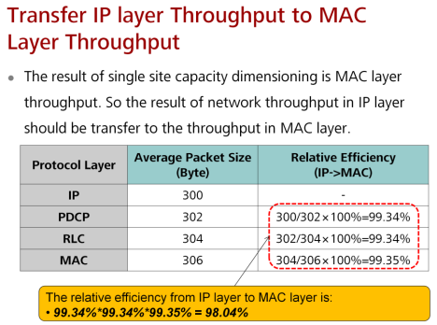
 |  |  | Web Browsing | 1 | 0.4 | 70.9174 | 326.3451067
 |  |  | File Transfer | 0.2 | 0.2 | 7.09174 | 32.63451067
 |  |  | Email | 0.1 | 0.3 | 5.318805 | 24.475883
 |  |  | P2P File Sharing | 0.2 | 0.3 | 10.63761 | 48.951766
 |  |  | VoIP | 1 | 1.3 | 230.48155 | 1060.621597
 |  |  | Video Phone | 0.2 | 0.16 | 5.673392 | 26.10760853
 |  |  | Video Conference | 0.15 | 0.15 | 3.98910375 | 18.35691225
 |  |  | Streaming Media | 0.15 | 0.15 | 3.98910375 | 18.35691225
 |  |  | Real Time Gaming | 0.2 | 0.2 | 7.09174 | 32.63451067
 |  |  | SUT |  |  | 345.1904445 | 1588.484807

 |  |  | 6. AVERAGE SINR 3500 MHz DISTRIBUTION >>> Channel BW 100 MHz, MIMO 128X128
 |  |  | Modulasi | Code Bit | Coding Rate | SINR (min) dB | SINR Prob | DL Cell TP (Mbps) | DL Cell Avg TP | UL Cell TP (Mbps) | UL Cell Avg TP
 |  |  | QPSK 1/3 | 2 | 0.3333333333 | -0.75 | 0.28 | 1382.399976 | 387.0719933 | 651.263976 | 182.3539133
 |  |  | QPSK 1/2 | 2 | 0.5 | 1.5 | 0.25 | 2073.599976 | 518.399994 | 976.895976 | 244.223994
 |  |  | QPSK 2/3 | 2 | 0.6666666667 | 3.5 | 0.17 | 2764.799976 | 470.0159959 | 1302.527976 | 221.4297559
 |  |  | 16 QAM 1/2 | 4 | 0.5 | 7 | 0.13 | 4147.199976 | 539.1359969 | 1953.791976 | 253.9929569
 |  |  | 16 QAM 2/3 | 4 | 0.6666666667 | 9.5 | 0.1 | 5529.599976 | 552.9599976 | 2605.055976 | 260.5055976
 |  |  | 16 QAM 4/5 | 4 | 0.8 | 11.5 | 0.05 | 6635.519976 | 331.7759988 | 3126.067176 | 156.3033588
 |  |  | 64 QAM 1/2 | 6 | 0.5 | 12.6 | 0.01 | 6220.799976 | 62.20799976 | 2930.687976 | 29.30687976
 |  |  | 64 QAM 2/3 | 6 | 0.6666666667 | 14.5 | 0.01 | 8294.399976 | 82.94399976 | 3907.583976 | 39.07583976
 |  |  | Cell Avg TP (MAC) (Mbps) |  |  |  |  | 2944.511976 |  | 1387.192296

